Jingle Bells



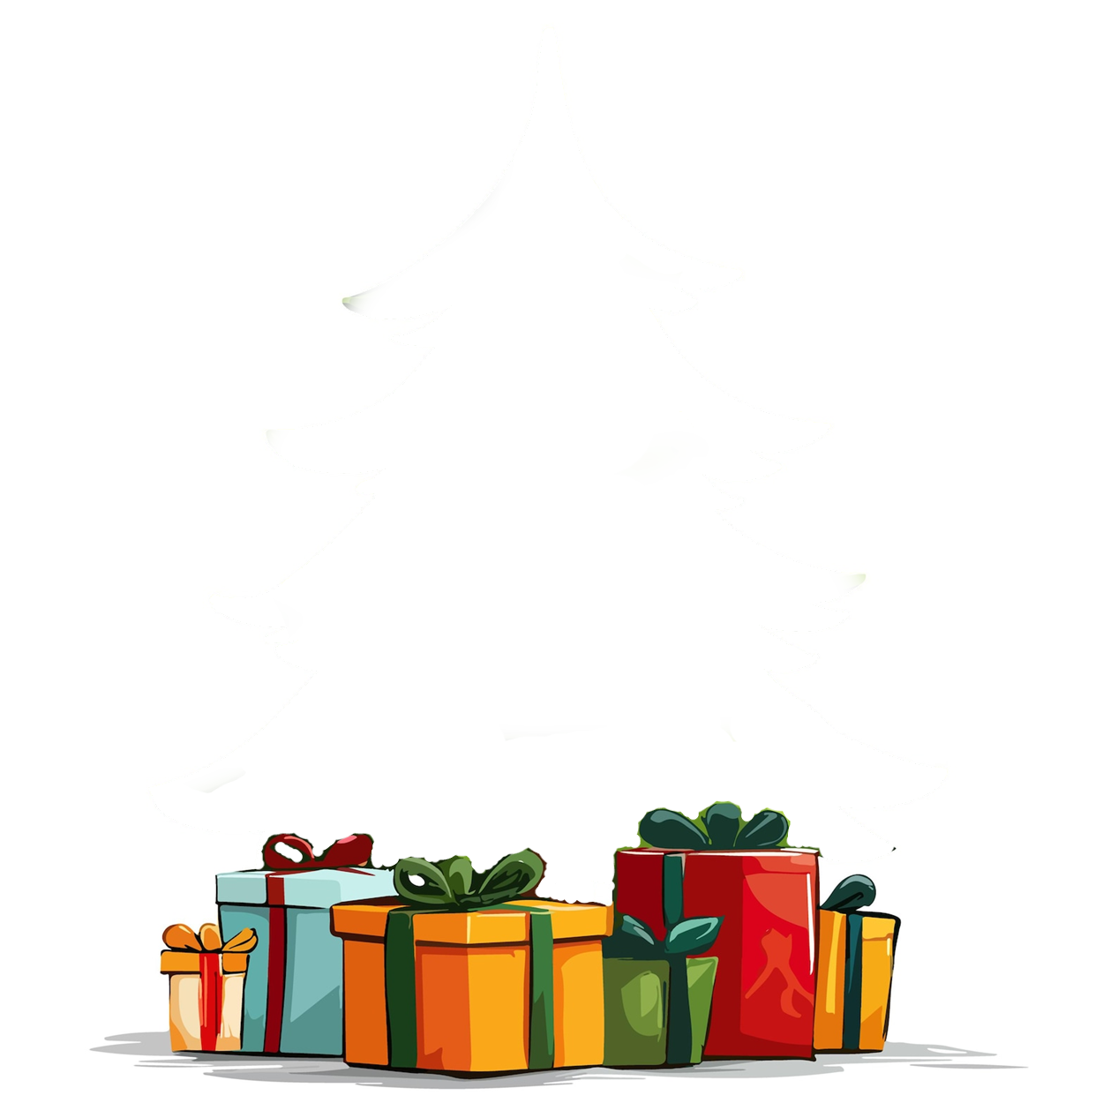
 |  |  |  |  |  |  |  |  |  |  | 2
 |  |  |  | 3 | 3 | 2 | 2 | 1 | 1 | 2 | 2 | 1 | 3 | 2 | 2 | 2 | 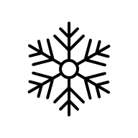 3 | 1
 |  |  | 3 | 3 | 1 | 1 | 3 | 2 | 2 | 2 | 2 | 3 | 3 | 2 | 2 | 2 | 2 | 2 | 2
 |  | 3 | 3 | 2 | 3 | 1 | 3 | 2 | 2 | 1 | 2 | 3 | 1 | 3 | 1 | 1 | 2 | 1 | 1 | 3
 | 1 | 3 | 3 | 3 | 3 | 1 | 1 | 1 | 2 | 3 | 3 | 3 | 1 | 2 | 3 | 3 | 3 | 1 | 3 | 2 | 2
1 | 2 | 2 | 2 | 3 | 1 | 1 | 2 | 2 | 3 | 2 | 1 | 1 | 3 | 1 | 3 | 2 | 3 | 2 | 1 | 3 | 2 | 3
1 | 1 | 2 | 2 | 3 | 1 | 3 | 1 | 2 | 1 | 2 | 2 | 3 | 1 | 2 | 2 | 1 | 2 | 2 | 2 | 1 | 1 | 3
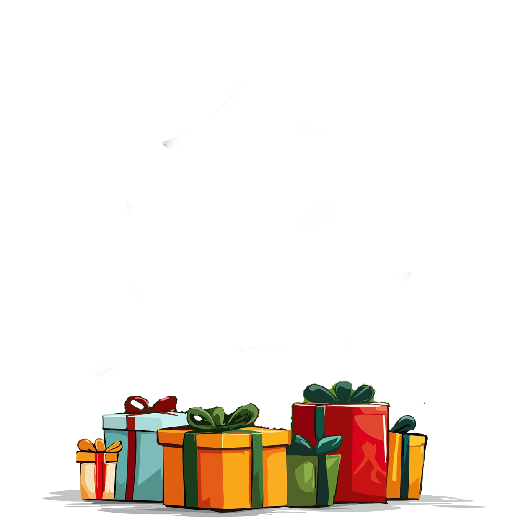
3 | 3 | 1 | 3 | 2 | 2 | 2 | 3 | 3 | 3 | 2 | 2 | 3 | 2 | 1 | 3 | 2 | 1 | 1 | 3 | 2 | 3 | 1

3 | 1 | 2 | 2 | 2 | 3 | 3 | 2 | 2 | 3 | 1 | 2 | 2 | 1 | 3 | 1 | 1 | 3 | 1 | 1 | 3 | 1 | 2
2 | 3 | 3 | 1 | 2 | 2 | 3 | 3 | 2 | 2 | 2 | 1 | 3 | 3 | 2 | 3 | 1 | 2 | 2 | 2 | 3 | 2 | 3
2 | 1 | 2 | 2 | 1 | 1 | 3 | 1 | 3 | 3 | 3 | 1 | 3 | 2 | 2 | 2 | 3 | 1 | 1 | 3 | 2 | 3 | 2
1 | 2 | 2 | 2 | 2 | 1 | 3 | 2 | 2 | 2 | 3 | 2 | 2 | 1 | 1 | 3 | 1 | 3 | 2 | 3 | 3 | 2 | 3
3 | 3 | 1 | 1 | 3 | 3 | 2 | 1 | 3 | 2 | 1 | 1 | 2 | 1 | 3 | 1 | 3 | 3 | 2 | 2 | 2 | 2 | 3

